Sheet1
DEPARTMENT OF COMPUTER SCIENCE
STAFF DETAILS FOR WEBSITE
SL.NO. | NAME OF THE FACULTY | EMPLOYEE ID | QUALIFICATION | DEPARTMENT | DESIGNATION | EXPERIENCE | MAIL ID | STAFF PHOTO
1 | Mrs.P.KALAISELVI | A03120 | M.Sc, M.Phil, B.Ed | COMPUTER SCIENCE | ASSISTANT PROFESSOR & HEAD OF THE DEPARTMENT | 10 YEARS | p.kalaiselvi.aasc@achariya.org | 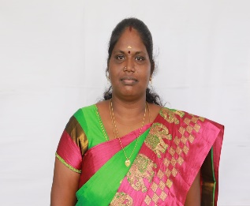
2 | Mrs.R.REVATHY | A05961 | MCA, M.Phil | COMPUTER SCIENCE | ASSISTANT PROFESSOR | 3 YEARS 2 MONTHS | revathy.aasc@achariya.org
3 | Ms. M. NISHANTHI | A05967 | M.Sc | COMPUTER SCIENCE | ASSISTANT PROFESSOR | 3 YEARS 2 MONTHS | nishanthi. aasc@achariya.org
4 | Mrs.V.PRIYANKA | A67364 | MCA, B.Ed | COMPUTER SCIENCE | ASSISTANT PROFESSOR | 4 MONTHS | priyanka62928@gmail.com

